21 waters
Name | Energy Hartree | ZPE Correction | ZPE + EE | 1st step not relaxed w/ e- | Mulkien Charges |  |  | 1 Hartree | 27.211407953 | eV | File | ZPE (kcal/mol) | ZPE eV |  |  | Initial Hartees (vertical) | Optimized Hartees
hydronium-21w | -1682.5538898 | 0.571863 | -1681.982027 | - | 1 | 2010-08-09 | (0.163+0.302-0.605)= -0.140 | Delta ZPE | -0.006847 |  | 1_freq | 358.84939 | 15.56121463 |  | 1_opt |  | -1682.5538898
hydronium-21w-e | -1682.649791 | 0.565016 | -1682.084775 | -1682.6483958 | 2 | 2017-06-07 | (0.144+0.203-0.387)= -0.040 | VEA | -2.757955925 |  | 2_freq | 354.55304 | 15.37490688 |  | 2_opt | -1682.6483958 | -1682.649791
VEA | -0.09450593 | w/out correction |  |  | 3 | 31, 32, 33 | (0.228+0.215-0.373)= 0.070 | Adiabatic | -2.795921826 |  | 3_freq | 349.77491 | 15.16770712 |  | 3_opt |  | -1681.853431
Adiabatic Energy | -0.09590115 | w/out correction |  |  | 4 | 34, 35, 36 | (0.257+0.218-0.447)= 0.028 |  |  |  | 4_freq | 351.61713 | 15.2475935 |  | 4_opt | -1682.030145 | -1682.157293
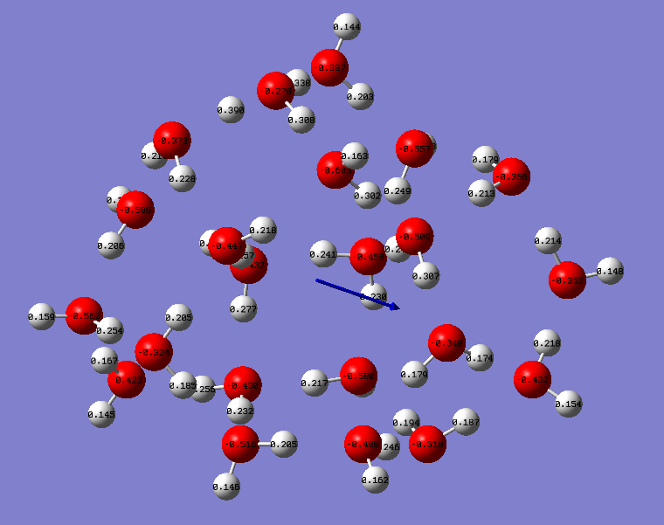
 |  |  |  |  | 5 | 2013-11-12 | (0.307+0.248-0.509)= 0.046 | 1 eV | 23.0621 | kcal/mol | 5_freq | 334.99382 | 14.52673706 |  | 5_opt |  | -1605.687507
 |  |  |  |  | 6 | 2005-03-04 | (0.249+0.153-0.557)= -0.155 |  |  |  | 6_freq | 332.33217 | 14.41131675 |  | 6_opt | -1605.697265 | -1605.701083
 |  |  |  |  | 7 | 28, 29, 30 | (0.206+0.165-0.506)= -0.135
 |  |  |  |  | 8 | 22, 23, 24 | (0.161+0.217-0.580)= -0.130 |  |  |  | Step1 and 2 | Hartees | Convert to eV
 |  |  |  |  | 9 | 40, 41, 42 | (0.159+0.254-0.562)= -0.149 |  |  |  | Delta ZPE |  | -0.1863077557
 |  |  |  |  | 10 | 2021-01-02 | (0.230+0.241-0.458)= -0.014 |  |  |  | Delta E (Anion, initial-Neutral) | -0.09450593 | -2.571638664
 |  |  |  |  | 11 | 46, 47, 48 | (0.205+0.146-0.516)= -0.165 |  |  |  | Add ZPE correction |  | -2.757946419 | vertical
 |  |  |  |  | 12 | 25, 26, 27 | (0.232+0.277-0.432)= 0.077 |  |  |  | AEA (Anion, optimized - Neutral) | -0.09590115 | -2.609604553
 |  |  |  |  | 13 | 43, 44, 45 | (0.185+0.205-0.324)= 0.066 |  |  |  | Add ZPE correction |  | -2.795912309 | EA
 |  |  |  |  | 14 | 14, 15, 16 | (0.179+0.213-0.366)= 0.026
 |  |  |  |  | 15 | 37, 38, 39 | (0.167+0.145-0.423)= -0.111
 |  |  |  |  | 16 | 49, 50, 51 | (0.232+0.256-0.430)= 0.058 |  |  |  | Step3 and 4 | Hartees | Convert to eV
 |  |  |  |  | 17 | 58, 59, 60 | (0.179+0.174-0.340)= 0.013 |  |  |  | Delta ZPE (Anion-Neutral) |  | 0.07988638581
 |  |  |  |  | 18 | 18, 19, 20 | (0.148+0.214-0.352)= 0.010 |  |  |  | Delta E (Anion, initial-Neutral) | -0.176714 | -4.80863534
 |  |  |  |  | 19 | 62, 61, 63 | (0.162+0.246-0.488)= -0.08 |  |  |  | Add ZPE correction |  | -4.728748954 | vertical
 |  |  |  |  | 20 | 52, 53, 54 | (0.194+0.187-0.318)= 0.063 |  |  |  | AEA (Anion, optimized - Neutral) | -0.303862 | -8.268510427
 |  |  |  |  | 21 | 55, 56, 57 | (0.154+0.218-0.432)= -0.060 |  |  |  | Add ZPE correction |  | -8.188624041 | EA
hydronium-21w-OH | -1681.853431 | 0.557402 |  |  |  |  |  | Delta ZPE | 0.002936
hydronium-21w-OH-e | -1682.157293 | 0.560338 |  | -1682.030145 |  |  |  | VEA | -4.728744051 |  | Step5 and 6
VEA | -0.176714 | w/out correction |  |  |  |  |  | Adiabatic | -8.18862015 |  | Delta ZPE (Anion-Neutral) |  | -0.1154203075
Adiabatic Energy | -0.303862 | w/out correction |  |  |  |  |  |  |  |  | Delta E (Anion, initial-Neutral) | -0.009758 | -0.2655288412
 |  |  |  |  |  |  |  |  |  |  | Add ZPE correction |  | -0.3809491486 | vertical
 |  |  |  |  |  |  |  |  |  |  | AEA (Anion, optimized - Neutral) | -0.013576 | -0.3694219664
 |  |  |  |  |  |  |  |  |  |  | Add ZPE correction |  | -0.4848422738 | EA
21-w | -1605.687507 | 0.533847 | -1605.15366 | - | Mulkien Charges |  |  | Delta ZPE | -0.004242
21-w-e | -1605.701083 | 0.529605 | -1605.171478 | -1605.697265 | 1 | 2010-08-09 | 0.159+0.258-0.521=-0.104 | VEA | -0.3809597113
VEA | -0.009758 | w/out ZPE correction |  |  | 2 | 2017-06-07 | 0.161+0.162-0.295=0.028 | Adiabatic | -0.4848528669
Adiabatic Energy | -0.013576 | w/out ZPE correction |  |  | 3 | 31, 32, 33 | 0.205+0.156-0.431=-0.07
 |  |  |  |  | 4 | 34, 35, 36 | 0.239+0.224-0.397=0.066
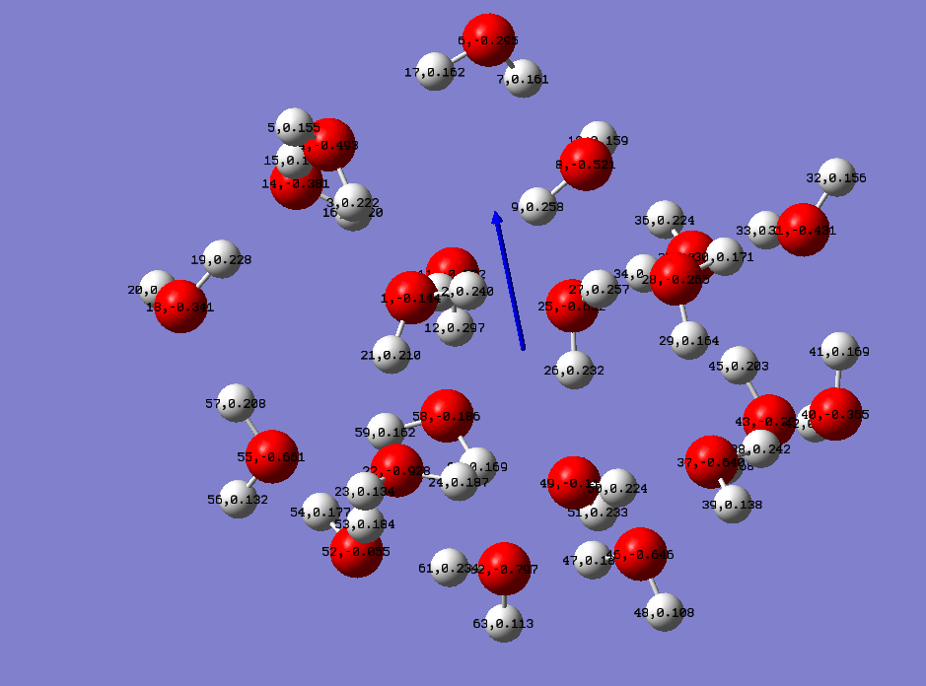
 |  |  |  |  | 5 | 11, 12, 13 | 0.235+0.297-0.522=0.01
 |  |  |  |  | 6 | 2005-03-04 | 0.222+0.155-0.493=-0.116
 |  |  |  |  | 7 | 28, 29, 30 | 0.171+0.164-0.265=0.07
 |  |  |  |  | 8 | 22, 23, 24 | 0.134+0.187-0.928=-0.607
 |  |  |  |  | 9 | 40, 41, 42 | 0.169+0.228-0.365=0.032
 |  |  |  |  | 10 | 2021-01-02 | 0.246+0.210-0.144=0.312
 |  |  |  |  | 11 | 46, 47, 48 | 0.183+0.108-0.646=-0.355
 |  |  |  |  | 12 | 25, 26, 27 | 0.232+0.257-0.632=-0.143
 |  |  |  |  | 13 | 43, 44, 45 | 0.203+0.168-0.281=0.09
 |  |  |  |  | 14 | 14, 15, 16 | 0.186+0.220-0.381=0.025
 |  |  |  |  | 15 | 37, 38, 39 | 0.138+0.242-0.640=-0.26
 |  |  |  |  | 16 | 49, 50, 51 | 0.233+0.224-0.115=0.342
 |  |  |  |  | 17 | 58, 59, 60 | 0.162+0.169-0.186=0.145
 |  |  |  |  | 18 | 18, 19, 20 | 0.122+0.228-0.341=0.009
 |  |  |  |  | 19 | 62, 61, 63 | 0.234+0.113-0.797=-0.45
 |  |  |  |  | 20 | 52, 53, 54 | 0.177+0.184-0.055=0.306
 |  |  |  |  | 21 | 55, 56, 57 | 0.208+0.132-0.661=-0.321

37 waters
Name | Energy (Hartrees) | ZPE Correction | ZPE + EE | 1st step not relaxed w/ e- | Mulkien Charges |  |  | 1 Hartree | 27.211407953 | eV | File | ZPE (kcal/mol) | ZPE eV |  |  | Initial Hartees (vertical) | Optimized Hartees
hydronium-37w | -2905.98429 | 0.982827 | -2905.001463 | - | 1 | 34, 35, 36 | (0.181+0.241-0.432)= | Delta ZPE | -0.005583 |  | 1_freq | 616.73318 | 26.74413738 |  | 1_opt |  | -2905.98429
hydronium-37w-e | -2906.081707 | 0.977244 | -2905.104463 | -2906.077502 | 2 | 76, 77, 78 | (0.197+0.186-0.375)= | VEA | -2.688351049 |  | 2_freq | 613.22964 | 26.59220919 |  | 2_opt | -2906.077502 | -2906.081707
VEA | -0.093212 | w/out ZPE correction |  |  | 3 | 79, 80, 81 | (0.317+0.224-0.427)= | Adiabatic | -2.802775019 |  | 3_freq |  | 0 |  | 3_opt
Adiabatic Energy | -0.097417 | w/out ZPE correction |  |  | 4 | 43, 44, 45 | (0.154+0.197-0.719)= |  |  |  | 4_freq |  | 0 |  | 4_opt
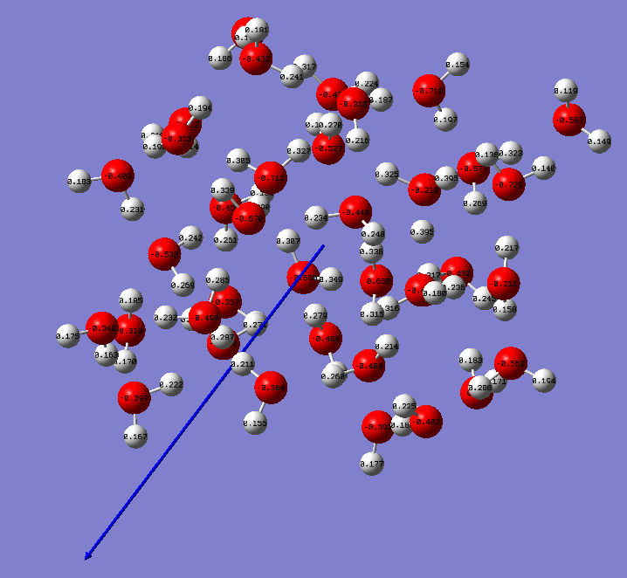
 |  |  |  |  | 5 | 109, 111, 112 | (0.119+0.149-0.587)= |  |  |  | 5_freq | 594.02795 | 25.75954338 |  | 5_opt |  | -2829.122612
 |  |  |  |  | 6 | 46, 47, 48 | (0.183+0.281-0.403)= |  |  |  | 6_freq | 591.48306 | 25.64918627 |  | 6_opt | -2829.138376 | -2829.144226
 |  |  |  |  | 7 | 85, 86, 87 | (0.189+0.251-0.454)=
 |  |  |  |  | 8 | 1, 2, 3 | (0.187+0.216-0.313)= |  |  |  | Step1 and 2 | Hartees | Convert to eV
 |  |  |  |  | 9 | 91, 92, 93 | (0.136+0.140-0.729)= |  |  |  | Delta ZPE |  | -0.1519281889
 |  |  |  |  | 10 | 67, 68, 69 | (0.180+0.236-0.469)= |  |  |  | Delta E (Anion, initial-Neutral) | -0.093212 | -2.536429017
 |  |  |  |  | 11 | 100, 101, 102 | (0.214+0.219-0.422)= |  |  |  | Add ZPE correction |  | -2.688357206 | vertical
 |  |  |  |  | 12 | 52, 53, 54 | (0.270+0.191-0.527)= |  |  |  | AEA (Anion, optimized - Neutral) | -0.097417 | -2.650852954
 |  |  |  |  | 13 |  |  |  |  |  | Add ZPE correction |  | -2.802781143 | EA
 |  |  |  |  | 14
 |  |  |  |  | 15
 |  |  |  |  | 16 |  |  |  |  |  | Step3 and 4 | Hartees | Convert to eV
 |  |  |  |  | 17 |  |  |  |  |  | Delta ZPE (Anion-Neutral) |  | 0
 |  |  |  |  | 18 |  |  |  |  |  | Delta E (Anion, initial-Neutral) | 0 | 0
 |  |  |  |  | 19 |  |  |  |  |  | Add ZPE correction |  | 0 | vertical
 |  |  |  |  | 20 |  |  |  |  |  | AEA (Anion, optimized - Neutral) | 0 | 0
 |  |  |  |  | 21 |  |  |  |  |  | Add ZPE correction |  | 0 | EA
 |  |  |  |  | 22
 |  |  |  |  | 23 |  |  |  |  |  | Step5 and 6
 |  |  |  |  | 24 |  |  |  |  |  | Delta ZPE (Anion-Neutral) |  | -0.1103571041
 |  |  |  |  | 25 |  |  |  |  |  | Delta E (Anion, initial-Neutral) | -0.015764 | -0.4289605096
 |  |  |  |  | 26 |  |  |  |  |  | Add ZPE correction |  | -0.5393176137 | vertical
 |  |  |  |  | 27 |  |  |  |  |  | AEA (Anion, optimized - Neutral) | -0.021614 | -0.5881471996
 |  |  |  |  | 28 |  |  |  |  |  | Add ZPE correction |  | -0.6985043037 | EA
 |  |  |  |  | 29
 |  |  |  |  | 30
 |  |  |  |  | 31
 |  |  |  |  | 32
 |  |  |  |  | 33
 |  |  |  |  | 34
 |  |  |  |  | 35
 |  |  |  |  | 36
 |  |  |  |  | 37
hydronium-37w-OH |  |  |  | - |  |  |  | Delta ZPE | 0
hydronium-37w-OH-e |  |  |  |  |  |  |  | VEA | 0
VEA | 0 | w/out correction |  |  |  |  |  | Adiabatic | 0
Adiabatic Energy | 0 | w/out correction
Adiabatic Energy | 0 | w/out correction

37-w | -2829.122612 | 0.946644 | -2828.175969 | - | Mulkien Charges |  |  | Delta ZPE | -0.004056
37-w-e | -2829.144226 | 0.942588 | -2828.201638 | -2829.138376 | 1 |  |  | VEA | -0.5393301056
VEA | -0.015764 | w/out ZPE correction |  |  | 2 |  |  | Adiabatic | -0.6985168421
Adiabatic Energy | -0.021614 | w/out ZPE correction |  |  | 3
 |  |  |  |  | 4
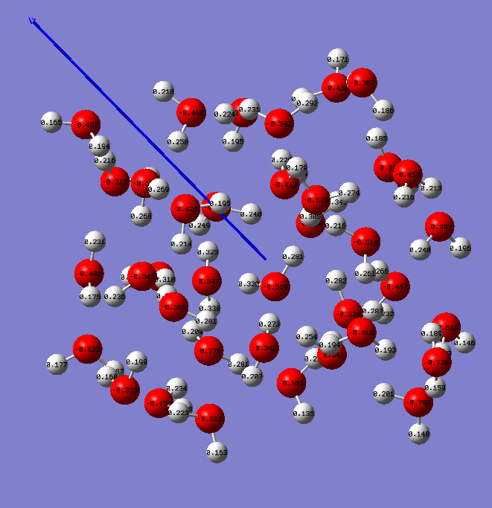
 |  |  |  |  | 5
 |  |  |  |  | 6
 |  |  |  |  | 7
 |  |  |  |  | 8
 |  |  |  |  | 9
 |  |  |  |  | 10
 |  |  |  |  | 11
 |  |  |  |  | 12
 |  |  |  |  | 13
 |  |  |  |  | 14
 |  |  |  |  | 15
 |  |  |  |  | 16
 |  |  |  |  | 17
 |  |  |  |  | 18
 |  |  |  |  | 19
 |  |  |  |  | 20
 |  |  |  |  | 21
 |  |  |  |  | 22
 |  |  |  |  | 23
 |  |  |  |  | 24
 |  |  |  |  | 25
 |  |  |  |  | 26
 |  |  |  |  | 27
 |  |  |  |  | 28
 |  |  |  |  | 29
 |  |  |  |  | 30
 |  |  |  |  | 31
 |  |  |  |  | 32
 |  |  |  |  | 33
 |  |  |  |  | 34
 |  |  |  |  | 35
 |  |  |  |  | 36
 |  |  |  |  | 37

VEA and EA Plots
neutral water + e- |  |  | hydronium + e-
Cluster Size | VEA | EA | Cluster Size | VEA | EA
15 | 0.32 | 0.36 | 15 | 2.89 | 2.98
16 | 0.39 | 0.59 | 16 | 2.88 | 3.22
21 | 0.38 | 0.48 | 21 | 2.76 | 2.8
22 | 0.45 | 0.5 | 22 | 2.94 | 3.02
24 | 0.31 | 0.28 | 24 | 2.8 | 3.05
25 | 0.36 | 0.4 | 25 | 2.63 | 2.99
25 | 0.45 | 0.53 | 25 | 2.56 | 2.7
35 | 0.61 | 0.93 | 35 | 2.07 | 2.8
37 | 0.54 | 0.7 | 37 | 2.69 | 2.8
40 | 0.54 | 0.75 | 40 | 2.46 | 2.57

23 | -0.33 | -0.23 | 23 | 2.2 | 2.91
31 | -0.11 | 0.2 | 31 | 2.24 | 2.55
VEA vs. Cluster Size
VEA vs. Cluster Size

EA vs. Cluster Size
EA vs. Cluster Size

